Guidance Notes
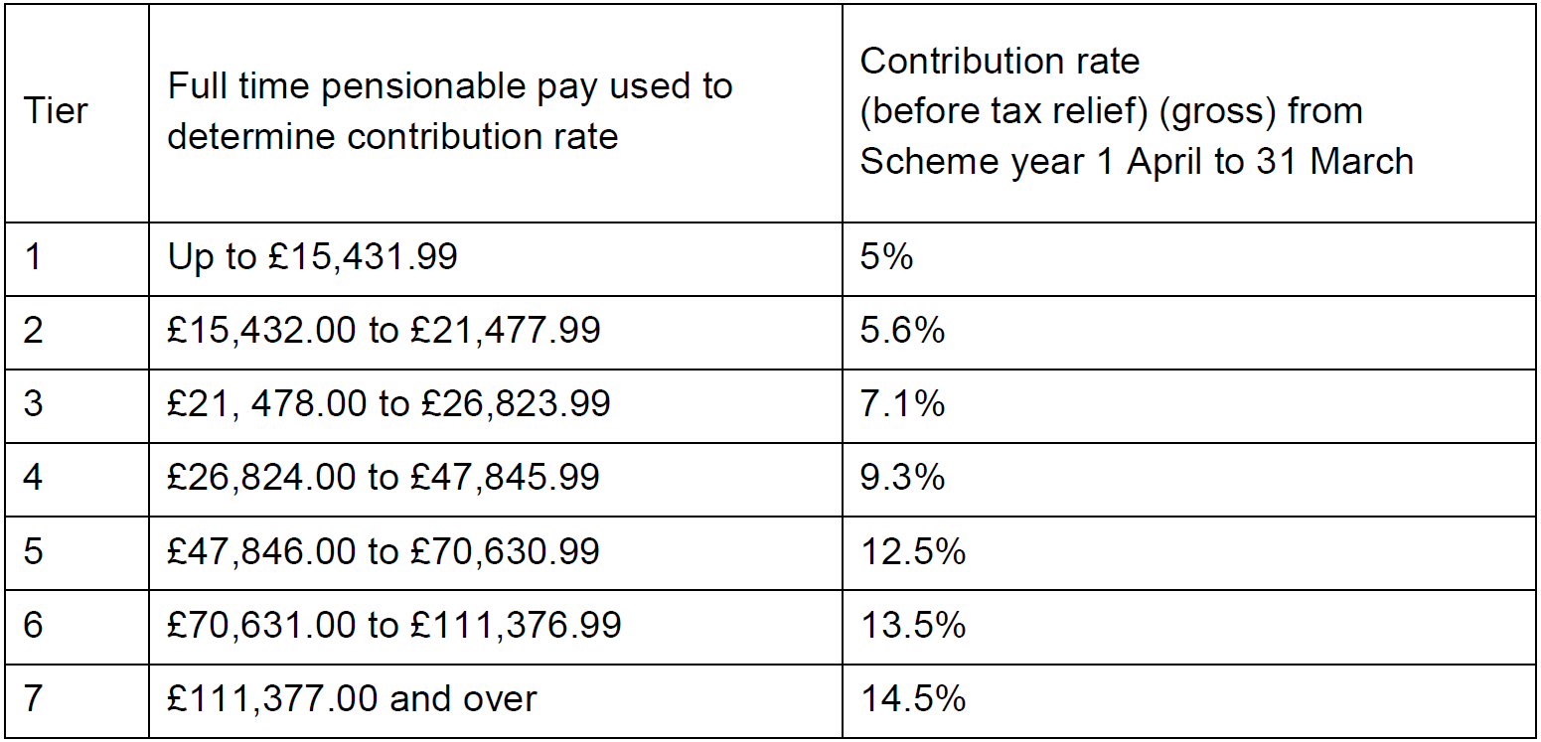
Guidance Notes (Please complete the tabs highlighted in yellow)
Please ensure that you have completed the End of Year Certificate for 2020/21, listed all the relevant contract details and have completed the Staff List tab before returning to: nhsbsa.pensionsfinancereporting@nhs.net
Please read the Independent Provider (IP) Guide before sending an enquiry to NHS Pensions.
Part 1: Part 1 outlines an IP's basic legal responsibilities in respect of providing pension information and paying over NHS Pension Scheme contributions.
1.1 Confirm your NHS Pension Scheme Independent Provider Employing Authority Code allocated to you by Scheme Access Team on being given access to the Scheme.
1.2 Confirm the date your organisation became an NHS Pensions Scheme Independent Provider Employing Authority. If your organisation was previously classified differently, the date added to the certificate should be from when the organisation became an IP, not when it originally incorporated.
Part 2: Contact details
2.1 Provide all the information as requested.
2.2 Provide all the information as requested. The responsible officer should be the person who has signed the contracts; for example the chief executive.
Part 3: NHS Pension Scheme access
3.1 State the type of NHS Pension Scheme access the IP elected for when it first qualified as an Employing Authority.
Closed (or restricted) access is where only those staff working for an NHS body (for example trust or GP Practice) in the previous 12 months are afforded NHS Pensiosn Scheme access.
Open access is where all eligible staff spending more than 50% of their time on the 'qualifying contract' are afforded NHS Pension Scheme access.
3.2 State the level of NHS Pension Scheme access at 31/03/2021.
3.3. If the level of access changed between 01/04/2020 and 31/03/2021 please confirm date of change.
Please note: If the level of access changed during 2020/21, the IP should have already contacted NHS Pensions by virtue of the 'due notice' required.
Remember that this does not relate to staff that fall under a New Fair Deal/Closed Direction arrangement.
Part 4: Staff pay and contributions
4.1 Declare the total number of eligible employed staff that met the 50% or more criteria in 2020/21.
An IP must offer the NHS Pension Scheme to all of their eligible employed staff who spend more than 50% of their working time on the 'qualifying contract'; all their pay is pensionable.
Do not include employees that have access to the NHS Pension Scheme under a new fair deal/closed Direction arrangement.
Please note
(A person who was a member of the 1995 section and is in receipt of the NHS ill health pension and returned to NHS work before their 50th birthday is eligible to re-join the NHS Pension Scheme. A person who was a member of the 2008 section of the NHS Pensions Scheme and is in receipt of a NHS pension may re-join the NHSPS and accrue further benefits).
4.2 Declare the total NHS pensionable earnings in 2020/21 for the staff stated at 4.1. This must balance to the Total Pensionable Pay (TPP) added to the Staff List tab.
Pensionable pay is the basic salary excluding overtime (in excess of whole time hours), expenses, and one off bonuses. A part-time employee must superannuate any additional hours worked up to the whole time working week; thereafter it is not superannuable. For example, if the standard working week is 37.5 hours a part-time employee normally working 20 hours a week must superannuate up to 17.5 additional hours per week worked.
4.3 Declare the total NHS Pension Scheme employee contributions payable in 2020/21 in accordance with the NHS Pensiosn Scheme Regulations. If you have not already done so, you should check that the employee contributions are in line with the tiered contributions. Please see below.
4.4 Declare the total NHS Pension Scheme employer contributions payable in 2020/21 for the staff who are NHS Pension Scheme members.
4.5 Declare the total NHS Pension Scheme added years contributions payable and paid in 2020/21 for the staff stated at 4.1.
4.6 Declare the total NHS Pension Scheme additional pension contributions payable and paid in 2020/21 for the staff stated at 4.1.
4.7 Declare the total NHS Pension Scheme early retirement buy out contributions payable and paid in 202021 for the staff stated at 4.1. Note that the figures in sections 4.3 - 4.7 must balance with the total contributions in section 6.1.
4.8 Complete the Staff List tab in full within this workbook. Without this information, your certificate is incomplete and will not be accepted.
Part 5: Employees not members
5.1 Declare the number of employees that met the more than 50% criteria but were not NHS Pension Scheme members in 2020/21. Please see guidance on 4.1 for more information regarding the 50% criteria.
5.2 Declare the total earnings in 2020/21 of the staff stated at 5.1.
This information is required because even though they are not NHS Pension Scheme members, their salaries form part of the 75% pensionable earnings ceiling.
Part 6: Contribution Expenditure.
6.1 Provide the monthly contributions paid to NHSPension Scheme broken down by employer, employee, AVC, Additional Pensions and ERRBO contributions. The figures must be provided on an accrual basis meaning that they should be added as per the month the contributions relate to, irrespective of when they were paid to the Scheme.
Part 7: The 2020/21 pensionable earnings ceiling
7.1 Please insert total value of all contracts including NHS Standard Contracts, NHS Standard Sub-Contracts, APMS Contracts and Local Authority Contracts for the provision of NHS Services.
7.2 Enter the total earnings in 2020/21 that count towards the pensionable earnings ceiling.
The pensionable earnings ceiling is 75% of the total sum of all the contract values and must also include those staff who spend more than 50% of their time on the 'qualifying contract' but are not NHS Pension Scheme members.
The 75% is a ceiling; it does not mean that 75% must actually be achieved.
7.3 Check the calculated percentage: This is the pensionable earnings ceiling reached in 2020/21.
Part 8: The contribution guarantee
8.1 Provide full details of any guarantees paid, if applicable.
8.2 Provide details of any individual amounts if more than one was paid, if applicable.
Part 9: Introduction of Scheme Administration Levy
9.1 Input 'YES' to declare that you implemented the employer contributions rate increase of 0.08% (from 14.30% to 14.38%) from 01/04/2017. If you enter "No" please contact nhsbsa.pensionsfinancereporting@nhs.net immediately if you have not implemented the rate increase.
Part 10: Declaration
In this part the responsible officer is declaring that the IP will comply in full with statutory pension legislation and will also co-operate in full with NHS Pensions or any other stakeholders.
Next steps
Send this certificate in Microsoft Excel format (and any supporting documents) to NHS Pensions using the following email account;
nhsbsa.pensionsfinancereporting@nhs.net
This email address must not be used for routine pension enquiries.
Enquiries
Any general pension enquiries should be sent to; nhsbsa.pensionsemployers@nhs.net
State clearly in your email that you are an Independent Provider.

